Sheet1
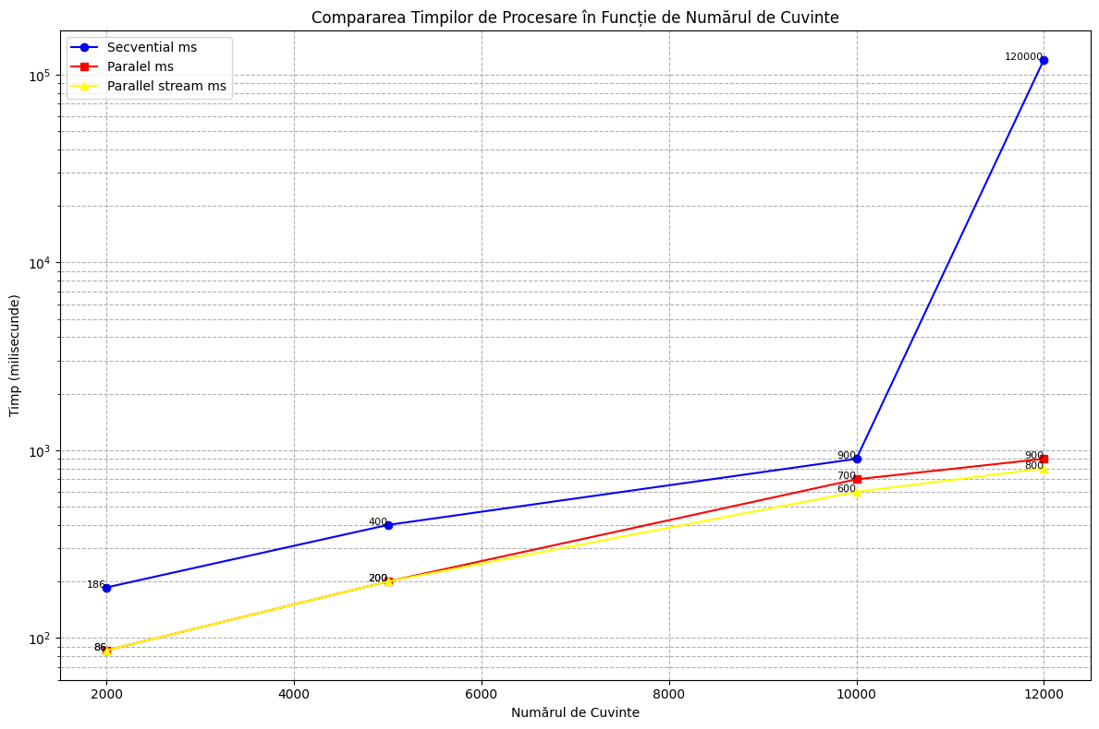
Numar Cuvinte | Secvential ms | Paralel ms | Parallel stream ms
2000 | 186 | 86 | 86
5000 | 400 | 200 | 200
10000 | 900 | 700 | 600
12000 | 120000 | 900 | 800

